Agumentos
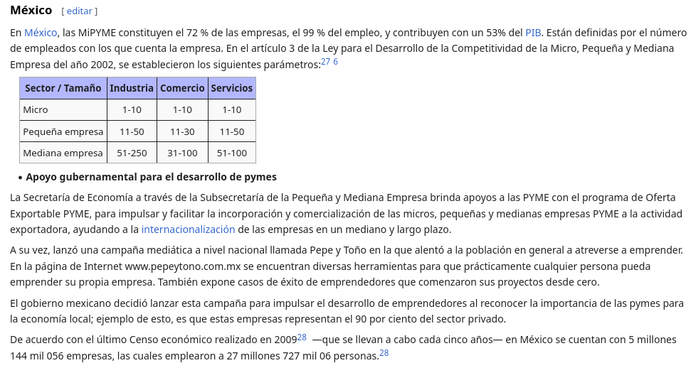
Sector Privado | 172.16.0.0 | /12 |  | Publico | 30.0.0.0 | /8

Hosts |  |  |  | WAN
Trabajadores | Invitados | Administracion | Nativa | 10 | x | 4
100 | 30 | 1

